1. Fishing impacts
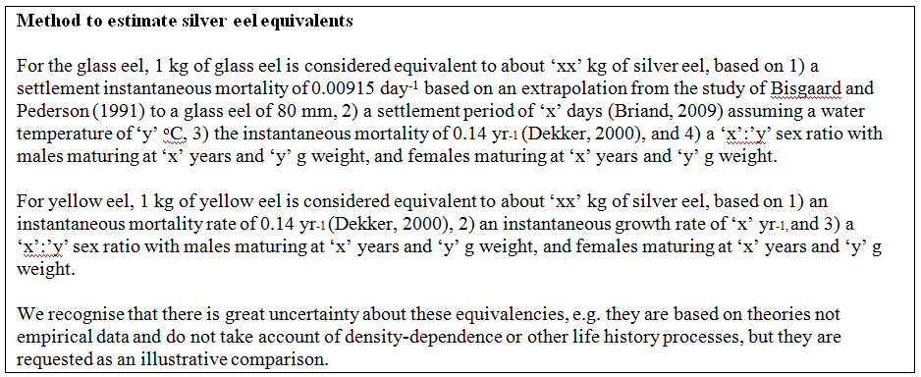
Fishery type | Commercial fisheries |  | Recreational fisheries |  | Commercial fisheries |  | Recreational fisheries |  | Commercial fisheries |  | Recreational fisheries |  | Commercial fisheries |  | Recreational fisheries |  | Commercial fisheries |  | Recreational fisheries |  | Commercial fisheries |  | Recreational fisheries |  | Commercial fisheries |  | Recreational fisheries
Metric | silver eel equivalents | ∑F | silver eel equivalents | ∑F | silver eel equivalents | ∑F | silver eel equivalents | ∑F | silver eel equivalents | ∑F | silver eel equivalents | ∑F | silver eel equivalents | ∑F | silver eel equivalents | ∑F | silver eel equivalents | ∑F | silver eel equivalents | ∑F | silver eel equivalents | ∑F | silver eel equivalents | ∑F | silver eel equivalents | ∑F | silver eel equivalents | ∑F
Units | kg | rate | kg | rate | kg | rate | kg | rate | kg | rate | kg | rate | kg | rate | kg | rate | kg | rate | kg | rate | kg | rate | kg | rate | kg | rate | kg | rate
Year | pre-EMP | pre-EMP | pre-EMP | pre-EMP | 2009 | 2009 | 2009 | 2009 | 2010 | 2010 | 2010 | 2010 | 2011 | 2011 | 2011 | 2011 | 2012 | 2012 | 2012 | 2012 | 2013 | 2013 | 2013 | 2013 | 2014 | 2014 | 2014 | 2014
EMU_code
Index Catchments by Direct Assessment
Shannon | 74600 | 2.044 | NP | NP | 0 | 0.000 | NP | NP | 0 | 0.000 | NP | NP | 0 | 0.000 | NP | NP | 0 | 0.000 | NP | NP | 0 | 0.000 | NP | NP | 0 | 0.000 | NP | NP
Erne | 44239 | 0.733 | NP | NP | 0 | 0.000 | NP | NP | 0 | 0.000 | NP | NP | 0 | 0.000 | NP | NP | 0 | 0.000 | NP | NP | 0 | 0.000 | NP | NP | 0 | 0.000 | NP | NP
Burrishoole | 0 | 0.000 | NP | NP | 0 | 0.000 | NP | NP | 0 | 0.000 | NP | NP | 0 | 0.000 | NP | NP | 0 | 0.000 | NP | NP | 0 | 0.000 | NP | NP | 0 | 0.000 | NP | NP
Corrib | 35084 | 1.288 | NP | NP | 0 | 0.000 | NP | NP | 0 | 0.000 | NP | NP | 0 | 0.000 | NP | NP | 0 | 0.000 | NP | NP | 0 | 0.000 | NP | NP | 0 | 0.000 | NP | NP

EMUs by Extrapolation Model + Direct Assessments (Inland Waters Only)
IE_East | 6991 | 0.539 | NP | NP | 0 | 0.000 | NP | NP | 0 | 0.000 | NP | NP | 0 |  | NP | NP | 0 | 0.000 | NP | NP | 0 | 0.000 | NP | NP | 0 | 0.000 | NP | NP
IE_NorW | 45349 | 0.584 | NP | NP | 0 | 0.000 | NP | NP | 0 | 0.000 | NP | NP | 0 |  | NP | NP | 0 | 0.000 | NP | NP | 0 | 0.000 | NP | NP | 0 | 0.000 | NP | NP
IE_Shan | 68209 | 1.240 | NP | NP | 0 | 0.000 | NP | NP | 0 | 0.000 | NP | NP | 0 |  | NP | NP | 0 | 0.000 | NP | NP | 0 | 0.000 | NP | NP | 0 | 0.000 | NP | NP
IE_SouE | 1362 | 0.129 | NP | NP | 0 | 0.000 | NP | NP | 0 | 0.000 | NP | NP | 0 |  | NP | NP | 0 | 0.000 | NP | NP | 0 | 0.000 | NP | NP | 0 | 0.000 | NP | NP
IE_SouW | 89 | 0.006 | NP | NP | 0 | 0.000 | NP | NP | 0 | 0.000 | NP | NP | 0 |  | NP | NP | 0 | 0.000 | NP | NP | 0 | 0.000 | NP | NP | 0 | 0.000 | NP | NP
IE_West | 55346 | 0.783 | NP | NP | 0 | 0.000 | NP | NP | 0 | 0.000 | NP | NP | 0 |  | NP | NP | 0 | 0.000 | NP | NP | 0 | 0.000 | NP | NP | 0 | 0.000 | NP | NP

Where:
· EMU_code: Eel Management Unit code (see sheet 'name' for list of codes)
· Year: Year assessed (YYYY).
· ΣF: The fishing mortality rate, summed over the age groups in the stock.
· Silver eel equivalents: the resulting biomass of silver eel produced, had the weight of eel not been caught.

